Base Case
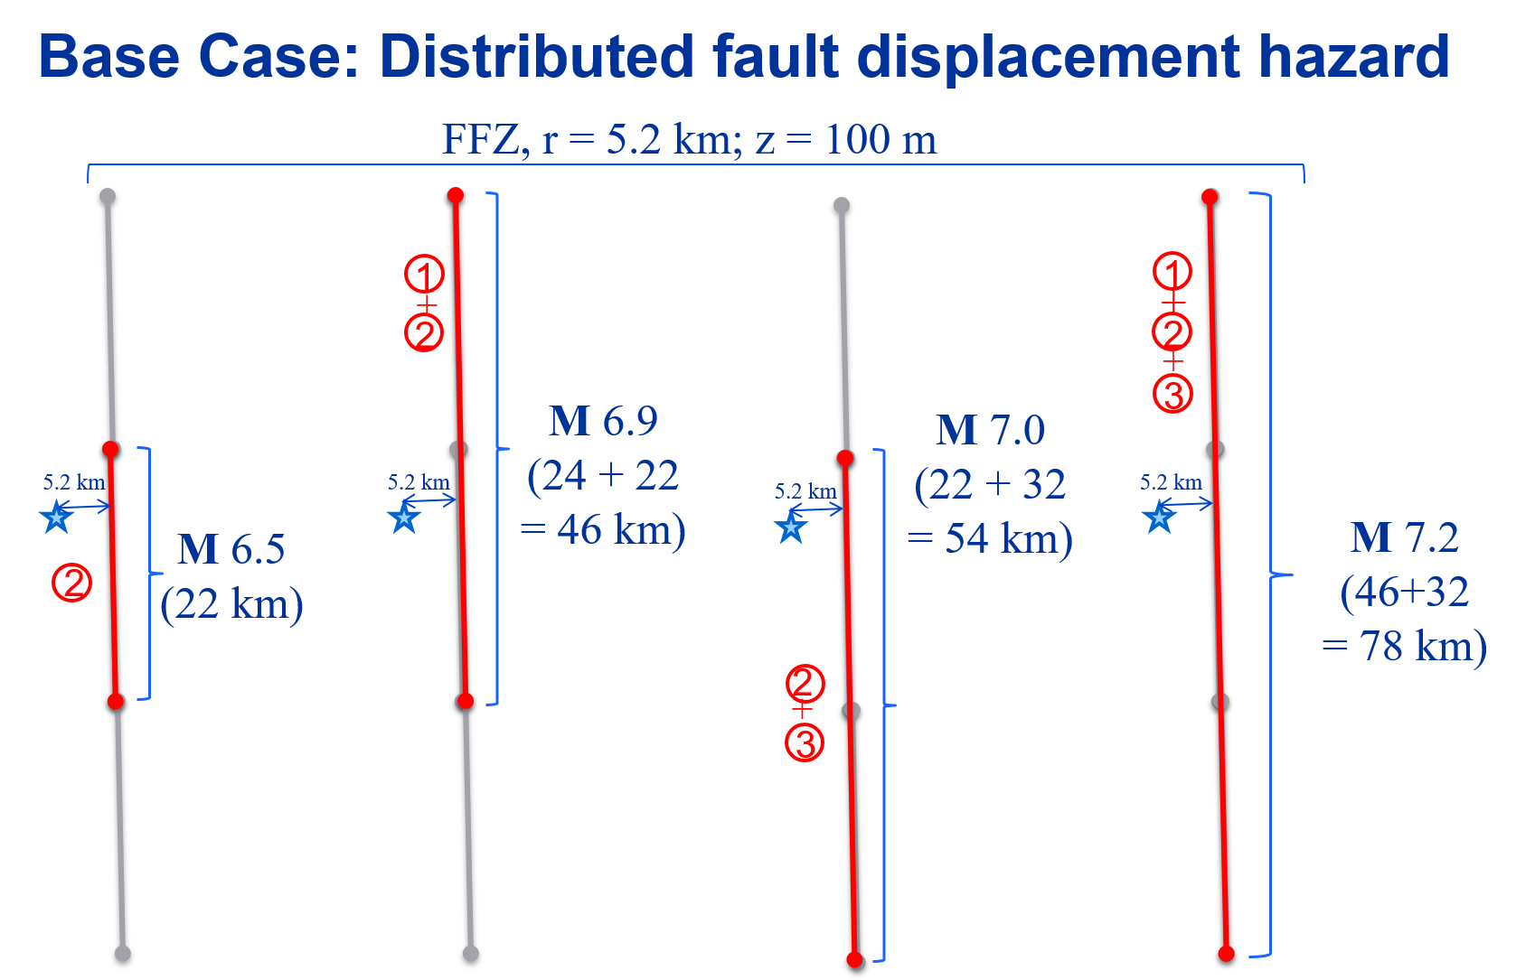
Site Locations
lat | long | Distance r (km)
32.7899 | 130.7417 | 5.22

In bold the source logic tree - single path
Site Dimension | 100 (m) x 100 (m)
Map Accuracy | Approximately located

FAULT SOURCE | RUPTURE LENGTH (km) | RUPTURE THICKNESS (km) | AVERAGE DIP | MAGNITUDE | WEIGHT | MEAN RATE (x10-5 yr-1) | WEIGHT
Uto (2) | 22 | 14 | 60 NW | 6.7 | 0.2 | 56.70 | 0.2
 |  |  |  |  |  | 18.90 | 0.6
 |  |  |  |  |  | 6.30 | 0.2
 |  |  |  | 6.5 | 0.6 | 56.70 | 0.2
 |  |  |  |  |  | 18.90 | 0.6
 |  |  |  |  |  | 6.30 | 0.2
 |  |  |  | 6.3 | 0.2 | 56.70 | 0.2
 |  |  |  |  |  | 18.90 | 0.6
 |  |  |  |  |  | 6.30 | 0.2
Futagawa (1) + Uto (2) | 46 | 14 | 68.6 NW | 7.1 | 0.2 | 3.84 | 0.2
 |  |  |  |  |  | 1.28 | 0.6
 |  |  |  |  |  | 0.43 | 0.2
 |  |  |  | 6.9 | 0.6 | 3.84 | 0.2
 |  |  |  |  |  | 1.28 | 0.6
 |  |  |  |  |  | 0.43 | 0.2
 |  |  |  | 6.7 | 0.2 | 3.84 | 0.2
 |  |  |  |  |  | 1.28 | 0.6
 |  |  |  |  |  | 0.43 | 0.2
Uto (2) + Uto-Hanto-North (3) | 54 | 14 | 60 NW | 7.2 | 0.2 | 10.59 | 0.2
 |  |  |  |  |  | 3.53 | 0.6
 |  |  |  |  |  | 1.18 | 0.2
 |  |  |  | 7 | 0.6 | 10.59 | 0.2
 |  |  |  |  |  | 3.53 | 0.6
 |  |  |  |  |  | 1.18 | 0.2
 |  |  |  | 6.8 | 0.2 | 10.59 | 0.2
 |  |  |  |  |  | 3.53 | 0.6
 |  |  |  |  |  | 1.18 | 0.2
Futagawa (1) + Uto (2) + Uto-Hanto-North (3) | 78 | 14 | 64.6 NW | 7.4 | 0.2 | 3.84 | 0.2
 |  |  |  |  |  | 1.28 | 0.6
 |  |  |  |  |  | 0.43 | 0.2
 |  |  |  | 7.2 | 0.6 | 3.84 | 0.2
 |  |  |  |  |  | 1.28 | 0.6
 |  |  |  |  |  | 0.43 | 0.2
 |  |  |  | 7 | 0.2 | 3.84 | 0.2
 |  |  |  |  |  | 1.28 | 0.6
 |  |  |  |  |  | 0.43 | 0.2

Sensitive Case 1
Tests:
Alternative Framing of Hazard Source
Site Locations
lat | long | Distance r (km)
32.7899 | 130.7417 | 0.6

Site Dimension | 100 (m) x 100 (m)
Map Accuracy | Inferred
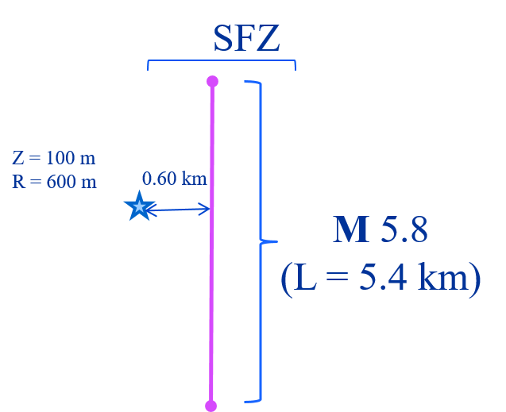
FAULT SOURCE | RUPTURE LENGTH (km) | RUPTURE THICKNESS (km) | AVERAGE DIP | MAGNITUDE | MEAN RATE (x10-5 yr-1)
Suizenji | 5.4 | 5 | 60 SW | 5.8 | 23.30

Sensitive Case 2
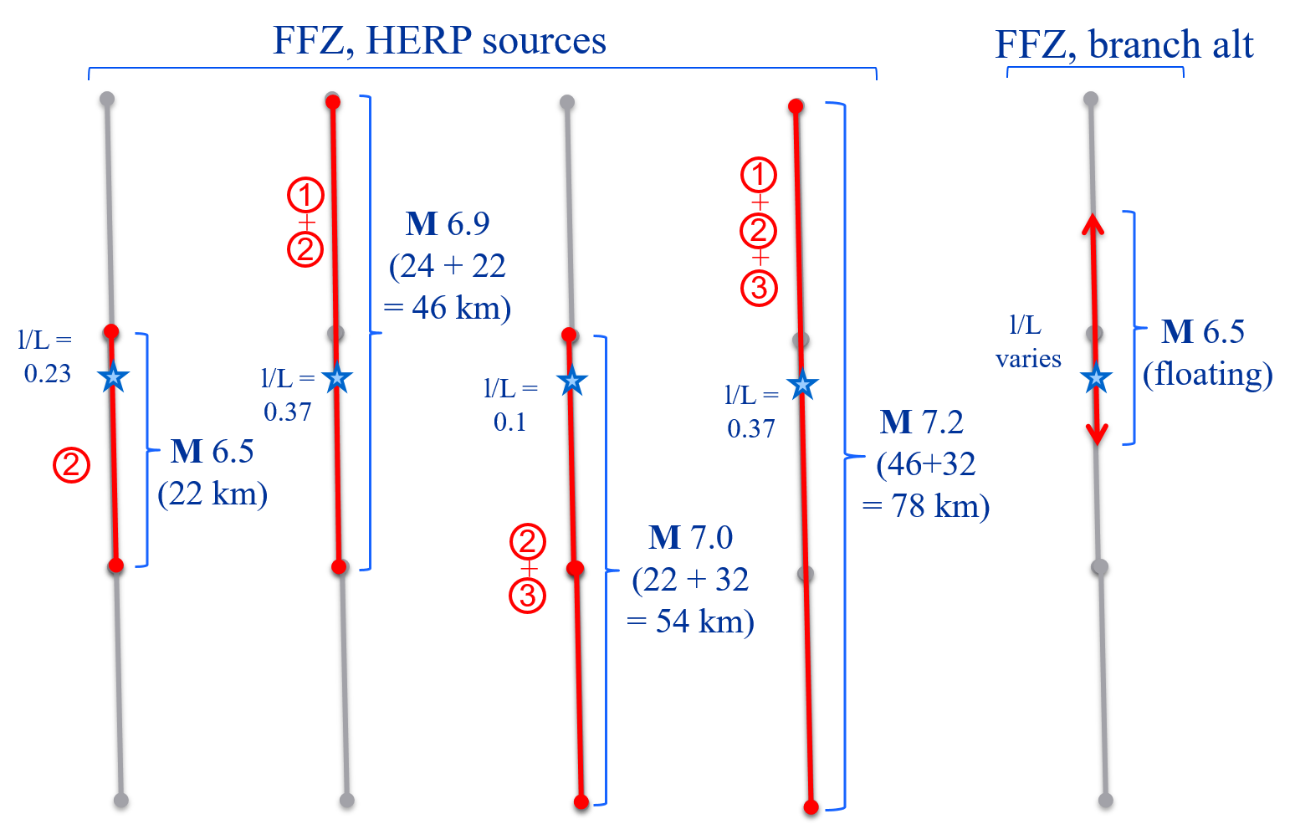
 |  | Site Locations
 |  | lat | long | Distance r (km)
 |  | 32.7474 | 130.7656 | 0

FAULT SOURCE | Weigth | RUPTURE LENGTH (km) | RUPTURE THICKNESS (km) | AVERAGE DIP | MAGNITUDE | MEAN RATE (x10-5 yr-1) | l/L
Floating | 0.5 | ~20 | 14 | 64.6 | 6.5 | 64.2 | variable
Uto (2) | 0.5 | 22 | 14 | 60 | 6.5 | 18.90 | 0.23
Futagawa (1) + Uto (2) | 1 | 46 | 14 | 68.6 | 6.9 | 1.28 | 0.37
Uto (2) + Uto-Hanto-North (3) | 1 | 54 | 14 | 60 | 7 | 3.53 | 0.1
Futagawa (1) + Uto (2) + Uto-Hanto-North (3) | 1 | 78 | 14 | 64.6 | 7.2 | 1.28 | 0.37
Tests:
Magnitude and l/L variability
How “floating” is treated

Sensitive Case 3
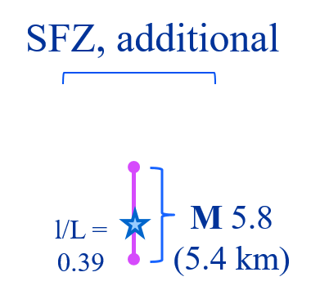
Site Locations
lat | long | Distance r (km)
32.7936 | 130.7467 | 0

Sensitive Case 4
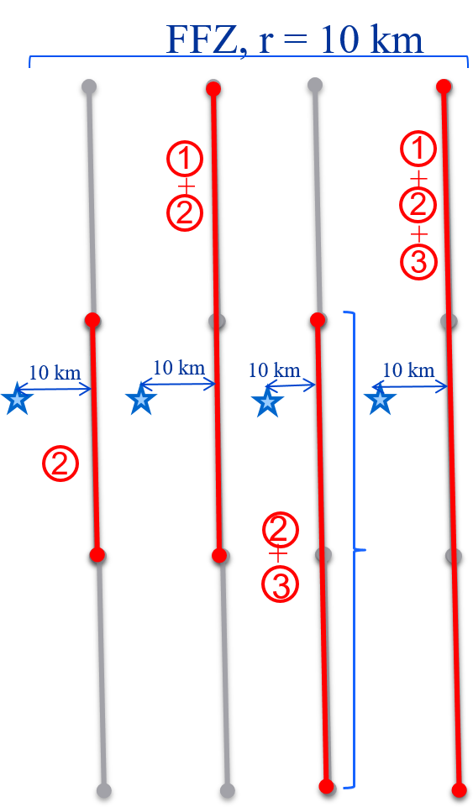
 | Site Locations
 | lat | long | Distance r (km)
 | 32.8288 | 130.7196 | 10

Site Dimension | 100 (m) x 100 (m)
Map Accuracy | Approximately located

FAULT SOURCE | RUPTURE LENGTH (km) | RUPTURE THICKNESS (km) | AVERAGE DIP | MAGNITUDE | MEAN RATE (x10-5 yr-1)
Uto (2) | 22 | 14 | 60 | 6.5 | 18.90
Futagawa (1) + Uto (2) | 46 | 14 | 68.6 | 6.9 | 1.28
Uto (2) + Uto-Hanto-North (3) | 54 | 14 | 60 | 7 | 3.53
Futagawa (1) + Uto (2) + Uto-Hanto-North (3) | 78 | 14 | 64.6 | 7.2 | 1.28

Tests:
Magnitude and “r” variability

Coordinates
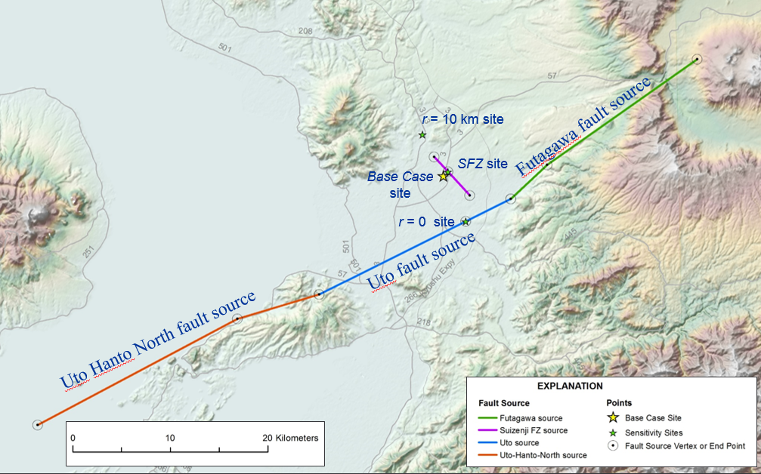
FAULT AND SITE LOCATION COORDINATES

Fault Segment | lat | long | Fault Segment | lat | long
FUTGAWA (1) | 32.8941 | 131.0225 | SUIZENJI | 32.8077 | 130.7318
 | 32.7985 | 130.8556 |  | 32.7936 | 130.7467
 | 32.7675 | 130.8153 |  | 32.7715 | 130.7702
UTO (2) | 32.7675 | 130.8153
 | 32.7474 | 130.7656 | Site | r (km) | lat | long
 | 32.6817 | 130.6035 | Base Case | 5.22 | 32.7899 | 130.7417
UTO HANTO NORTH (3) | 32.6817 | 130.6035 | Sensitive Case 1 | 0.6 | 32.7899 | 130.7417
 | 32.6603 | 130.5136 | Sensitive Case 2 | 0 | 32.7474 | 130.7656
 | 32.5641 | 130.2933 | Sensitive Case 3 | 0 | 32.7936 | 130.7467
FUTAGAWA (1) + UTO (2) | 32.8941 | 131.0225 | Sensitive Case 4 | 10 | 32.8288 | 130.7196
 | 32.7985 | 130.8556
 | 32.7675 | 130.8153
 | 32.7474 | 130.7656
 | 32.6817 | 130.6035
UTO (2) + UTO HANTO NORTH (3) | 32.7675 | 130.8153
 | 32.7474 | 130.7656
 | 32.6817 | 130.6035
 | 32.6603 | 130.5136
 | 32.5641 | 130.2933
FUTAGAWA (1) + UTO (2) + UTO HANTO NORTH (3) | 32.8941 | 131.0225
 | 32.7985 | 130.8556
 | 32.7675 | 130.8153
 | 32.7474 | 130.7656
 | 32.6817 | 130.6035
 | 32.6603 | 130.5136
 | 32.5641 | 130.2933

